READ ME - Instructions

Purpose | The purpose of this tool is to evaluate systems and equipment to determine the quantity of equivalent clean air provided to the space, zone, or system, and to evaluate if it meets the airflow requirements in ASHRAE Standard 241-2023. This can be used for New and Existing Systems to show how much VECAi they deliver in Infection Risk Management Mode (IRMM) or in Normal Mode.
Supporting Information | ASHRAE Standard 241-2023 |  | https://www.ashrae.org/technical-resources/bookstore/supplemental-files/supplemental-files-for-ansi-ashrae-standard-241-2023-control-of-infectious-aerosols
 | ASHRAE Standard 241 |  | https://www.ashrae.org/technical-resources/bookstore/ashrae-standard-241-control-of-infectious-aerosols
 | Building Readiness Guide |  | https://www.ashrae.org/file%20library/technical%20resources/covid-19/ashrae-building-readiness.pdf
 | ASHRAE ETF Guidance |  | https://www.ashrae.org/technical-resources/resources
Date | 2024-01-31
Version | v1.05
IMPORTANT | This tool is intended to simplify the calculation process to determine the target VECAi air quantity for the space, zone or HVAC system to achieve the ECAi in ASHRAE Standard 241 Table 5-1. This tool also helps calculate the VECAi for the existing and potential required modifications to achieve the target.

 | Universal mask wearing will reduce the bioburden in the space but is not factored into this spreadsheet.

 | Read the DISCLAIMER at bottom of this worksheet.

The user must understand the following about the building, system, and spaces:
Space area
Filter MERV or MERV-A Rating
Occupancy - Design and IRMM Target
Filter installation gaps via an integrity test
UVC Inactivation percentage
Supply air CFM
Outdoor air CFM
In Room Fan Filter CADR
Air cleaner CADR
If these terms are not clear, please reference ASHRAE Standard 241-2023 and the Building Readiness Guide (linked above).
You should only have to enter data in the cells with BLUE TEXT
Calculations assume an arrangement of the following unit, where the filter is encountered by return air first and then UVC or other in-duct air cleaning.
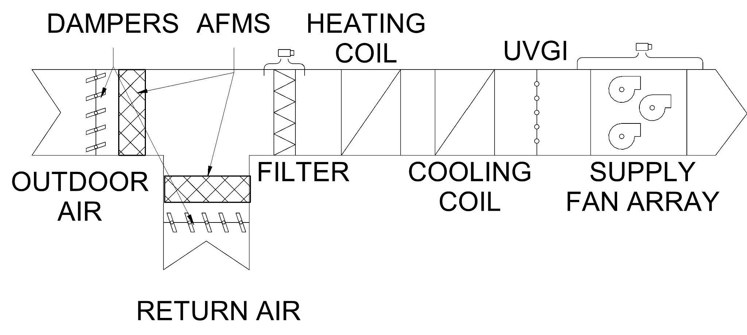

* There might be an In Room Fan HEPA Filter Unit or other space air cleaners applied to the system.
Reference: Conlan 2021. Managing Aerosols Using Space Flushing, ASHRAE. Journal June 2021.

Table 5-1 from 241-2023 | Calculator selects value from this table.
Minimum Equivalent Clean Airflow per Person in Breathing Zone in IRMM
Occupancy Category | ECAi
 | CFM/person | L/s/person
Correctional Facilites: Cell | 30 | 15
Correctional Facilities: Dayroom | 40 | 20
Com/Retail: Food and Beverage Facilities | 60 | 30
Com/Retail: Gym | 80 | 40
Com/Retail: Office | 30 | 15
Com/Retail: Retail | 40 | 20
Com/Retail: Transportation Waiting | 60 | 30
Educational Facilities: Classroom | 40 | 20
Educational Facilities: Lecture Hall | 50 | 25
Industrial: Manufacturing | 50 | 25
Industrial: Sorting, packing, light assembly | 20 | 10
Industrial: Warehouse | 20 | 10
Healthcare: Exam room | 40 | 20
Healthcare: Group treatment area | 70 | 35
Healthcare: Patient room | 70 | 35
Healthcare: Resident room | 50 | 25
Healthcare: Waiting room | 90 | 45
Public Assembly: Auditorium | 50 | 25
Public Assembly: Place of Religious Worship | 50 | 25
Public Assembly: Museum | 60 | 30
Public Assembly: Convention | 60 | 30
Public Assembly: Spectator Area | 50 | 25
Public Assembly: Lobbies | 50 | 25
Residential: Common Space | 50 | 25
Residential: Dwelling unit | 30 | 15

Table 7-1 of 241-2023 |  |  |  | Eq 7-3 from 241-2023
Infectious Aerosol Removal Efficiency (𝜺𝑷𝑹) for Mechanical Fibrous Filters |  |  |  | Filters tested in accordance with ANSI/ASHRAE Standard 52.2 (before 1/1/2025) and ASHRAE 52.2 Inf App J (after 1/1/2025).
MERV Rating* | εPR |  |  | 52.2 particle size range | εEx (%) | Wx
4 | 0% |  |  | E1 | 20% | 30%
5 | 0% |  |  | E2 | 65% | 30%
6 | 0% |  |  | E3 | 85% | 40%
7 | 0% |  |  | εPR | 60%
8 | 0% |  |  | Note: εPR is zero unless rated MERV 11 or higher (Section 4.2.3) (before 1/1/2025) or MERV-A 11 or higher (Section 4.2.3) (after 1/1/2025).
9 | 0% |  |  | This table can also be used to calculate εPR for in-duct systems per A1.3.3.2.a
10 | 0%
11 | 60% |  |  | Eq 7-4 from 241-2023
12 | 71% |  |  | Convert CADR values for Residential In-Room Air Cleaners from ANSI/AHAM AC-1 to VACS
13 | 77% |  |  | test particle | CADRx (cfm) | Wx
14 | 88% |  |  | tobacco smoke (s) | 0 | 30%
15 | 91% |  |  | dust (d) | 0 | 30%
16 | 95% |  |  | pollen (p) | 0 | 40%
HEPA | 99% |  |  | VACS | 0
Eq7-3 | 60% |  |  | Note: VACS is zero if CADR_s = 0 or not reported (Section 7.3.2.1)
*MERV-A after 1/1/2025

Acknowledgements:
This calculator evolved from an Epidemic Task Force tool, built with help from multiple individuals.
Wade Conlan | Hanson Professional Services
Marwa Zaatari | D Zine Partners
Bill Bahnfleth | Penn State University
Kathleen Owen | Owen Air Filtration Consulting
Dennis Knight | Whole Building Systems
Meghan McNulty | Servidyne

Bibliography
Conlan 2021. | Managing Aerosols Using Space Flushing, ASHRAE. Journal June 2021.

DISCLAIMER: This ASHRAE guidance document is based on the evidence and knowledge available to ASHRAE as of the date of this document. Knowledge regarding transmission of COVID-19 and other infectious aerosols is rapidly evolving. This guidance should be read in conjunction with the relevant government guidance and available research. This material is not a substitute for the advice of a qualified professional. By adopting these recommendations for use, each adopter agrees to accept full responsibility for any personal injury, death, loss, damage or delay arising out of or in connection with their use by or on behalf of such adopter irrespective of the cause or reason therefore and agrees to defend, indemnify and hold harmless ASHRAE, the authors, and others involved in their publication from any and all liability arising out of or in connection with such use as aforesaid and irrespective of any negligence on the part of those indemnified.

Equiv Clean Air Calc
Phase of the Process |  | Assessment | Planning | Planning | Planning | Planning | Implement | Choose Option | Option 1: Description | Option 2: Description | Option 3: Description | Option 4: Description
Name of Space / AHU / Building | Units | EXISTING | Option 1 | Option 2 | Option 3 | Option 4 | FINAL SYSTEM
Description of system or Option |  | AHU with X,Y,Z | Description | Description | Description | Description | Choose Option
Space Type from Standard 241 | Type | Educational Facilities: Classroom | Educational Facilities: Classroom | Educational Facilities: Classroom | Educational Facilities: Classroom | Educational Facilities: Classroom | Educational Facilities: Classroom
Target ECAi from Standard 241 (From Table 5-1 on Instructions Tab) | CFM / Person | 40 | 40 | 40 | 40 | 40 | 40
Area | Sq Ft | 2,000 | 2,000 | 2,000 | 2,000 | 2,000 | 2,000
Average Ceiling Height | Ft | 12 | 12 | 12 | 12 | 12 | 12
Volume | Cu Ft | 24,000 | 24,000 | 24,000 | 24,000 | 24,000 | 24,000
Total Supply Air | CFM | 1,800 | 1,800 | 1,800 | 1,800 | 1,800
Total Outdoor Air | CFM | 240 | 240 | 240 | 240 | 240
Occupancy - Design (Pz) | people | 55 | 55 | 55 | 55 | 55
Occupancy - IRMM Target (Pz,IRMM) | people | 41 | 41 | 41 | 41 | 41
VECAi,t,Des Airflow Target - Design Occupancy | CFM | 2,200 | 2,200 | 2,200 | 2,200 | 2,200
VECAi,t,IRMM Airflow Target - IRMM Target Occ. | CFM | 1,640 | 1,640 | 1,640 | 1,640 | 1,640
Air Cleaning (Section 7)
Central AHU Filter MERV Rating | MERV | 8 | 11 | 13 | 13 | Eq7-3
Filter Pathogen Removal Efficiency | 𝜺𝑷𝑹 | 0% | 60% | 77% | 77% | 60%
UV in HVAC - Single Pass Inactivation | % | 0% | 35% | 50% | 0% | 0%
Air Treatment in HVAC (Impacts Space) | CFM | 400 | 100 | 0 | 0 | 0
Air Treatment Device in Space | CFM | 0 | 4 | 0 | 0 | 0
Number of Air Treatment Devices in Space | Quantity | 0 | 1 | 0 | 0 | 0
In Room UV | CFM | 0 | 150 | 0 | 200 | 0
Number of In Room UV Type | Quantity | 0 | 2 | 0 | 1 | 0
In Room Air Cleaner (Fan Filter Type) (See Eq 7-4 in Instructions Tab) | CFM | 0 | 300 | 0 | 0 | 0
Number of In Room Air Cleaners (Fan Filter type) | Quantity | 0 | 3 | 0 | 0 | 0
Equivalent Clean Air per Technology
Outdoor Air | CFM | 240 | 240 | 240 | 240 | 240
VECAi,filter | CFM | 0 | 936 | 1,201 | 1,201 | 936
VECAi,uv,hvac | CFM | 0 | 218 | 179 | 0 | 0
VECAi,rac,hvac | CFM | 400 | 100 | 0 | 0 | 0
VECAi,rac,space | CFM | 0 | 4 | 0 | 0 | 0
VECAi,irac,uv | CFM | 0 | 300 | 0 | 200 | 0
VECAi,irac,fanfilter | CFM | 0 | 900 | 0 | 0 | 0
Results
Total Equivalent Clean Air (VECAi,existing) | CFM | 640 | 2,698 | 1,621 | 1,641 | 1,176 | 0
Occupant Count Method (Design or IRMM) | Method | IRMM | IRMM | IRMM | IRMM | IRMM
ECAi Provided by the Option | CFM/person | 15.6 | 65.8 | 39.5 | 40.0 | 28.7
Does VECAi,existing meet VECAi,target? |  | No | Meets 241 | No | Meets 241 | No
 | Outdoor Air | VECAi,filter | VECAi,uv,hvac | VECAi,rac,space | VECAi,irac,uv | VECAi,irac,fanfilter | Target at Design Occupancy | Target at IRMM Occupancy
EXISTING | 240 | 0 | 0 | 0 | 0 | 0 | 2,200 | 1,640
Option 1 | 240 | 936 | 218 | 4 | 300 | 900 | 2,200 | 1,640
Option 2 | 240 | 1,201 | 179 | 0 | 0 | 0 | 2,200 | 1,640
Option 3 | 240 | 1,201 | 0 | 0 | 200 | 0 | 2,200 | 1,640
Option 4 | 240 | 936 | 0 | 0 | 0 | 0 | 2,200 | 1,640
FINAL SYSTEM | 0 | 0 | 0 | 0 | 0 | 0 | 0 | 0
If VECAi,target is not met
VECAi,differential still required | CFM | 1000 |  | 19 |  | 464
or, Pz,IRMM limit for existing configuration | people | 16 |  | 40 |  | 29

